Sheet1
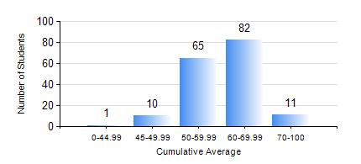
 |  |  | KWAME NKRUMAH UNIVERSITY OF SCIENCE AND TECHNOLOGY, KUMASI Department of Geomatic Engineering

 |  |  | BSC. GEOMATIC ENG.

 |  |  | COMPREHENSIVE RECORD OF EXAMINATION RESULTS

 |  |  | RESULTS OF YEAR 1 SECOND SEMESTER, 2020/2021 ACADEMIC YEAR

 | Sn | Course Code |  | Course Name | Credit Hours | Min. Mark | Max. Mark | Avg. Mark | Std. Dev. | No. Passed | No. Trailed | No. (Df) | No. (I) | No. (I*) | No. Tagged(I,I*,Df) | Total
 | 1. | EE 152 |  | BASIC ELECTRONICS | 2 | 0 | 86 | 60 | 11.49 | 167 | 1 | 0 | 1 | 0 | 1 | 169
 | 2. | ENGL 158 |  | COMMUNICATION SKILLS II | 2 | 16 | 73 | 57 | 7.92 | 168 | 1 | 0 | 0 | 0 | 0 | 169
 | 3. | GE 152 |  | REPRODUCTION CARTOGRAPHY | 3 | 21 | 80 | 55 | 9.16 | 168 | 1 | 0 | 0 | 0 | 0 | 169
 | 4. | GE 158 |  | INTRODUCTION TO INFORMATION TECHNOLOGY | 3 | 0 | 87 | 61 | 12.93 | 160 | 9 | 0 | 0 | 0 | 0 | 169
 | 5. | GE 162 |  | BASIC SURVEY PRINCIPLES II | 3 | 12 | 87 | 61 | 10.83 | 168 | 1 | 0 | 0 | 0 | 0 | 169
 | 6. | GE 192 |  | PRACTICAL TASK I | 3 | 0 | 82 | 69 | 7.68 | 166 | 1 | 2 | 0 | 0 | 2 | 169
 | 7. | MATH 152 |  | ANALYSIS | 4 | 22 | 84 | 61 | 8.98 | 167 | 2 | 0 | 0 | 0 | 0 | 169

